comparison
Sample | modulus(Pa) | modulus(MPa) | modulus(KPa) | Unit(MPa) |  |  | Sample | modulus(Pa) | modulus(MPa) | modulus(KPa) | Unit(MPa)
M1 | 285372.912 | 0.29 | 285.37 | Mean 1.76 |  |  | P1 | 380937.9714 | 0.38 | 380.94 | Mean 1.21
M2 | 594144.7055 | 0.59 | 594.14 | median 1.2 |  |  | P3 | 1126705.933 | 1.13 | 1126.71 | median 1.38
M3 | 539647.8356 | 0.54 | 539.65 | variance 12.18 |  |  | P4 | 241790.6409 | 0.24 | 241.79 | Standard deviation 0.71
M4 | 1454393.351 | 1.45 | 1454.39 | Standard deviation 3.49 |  |  | P5 | 1808083.708 | 1.81 | 1808.08 | Standard error 0.13
M5 | 1662016.291 | 1.66 | 1662.02 | Standard error 0.63 |  |  | P7 | 632725.928 | 0.63 | 632.73 | Confidence interval [ 0.95 , 1.47 ]
M6 | 347840.5323 | 0.35 | 347.84 | Confidence interval [ 0.53 , 2.99 ] |  |  | P8 | 1558095.149 | 1.56 | 1558.10
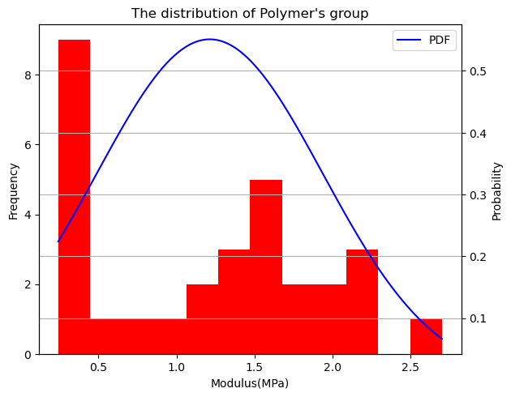
M7 | 531672.751 | 0.53 | 531.67 |  |  |  | P14 | 1764295.561 | 1.76 | 1764.30
M8 | 1559453.867 | 1.56 | 1559.45 |  |  |  | P16 | 339611.8501 | 0.34 | 339.61
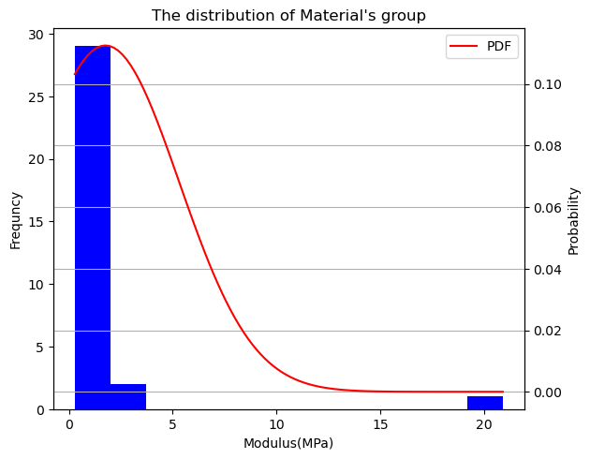
M9 | 1583080.181 | 1.58 | 1583.08 |  |  |  | P17 | 1311000.459 | 1.31 | 1311.00
M11 | 295717.418 | 0.30 | 295.72 |  |  |  | P18 | 2211200.854 | 2.21 | 2211.20
M12 | 841340.2137 | 0.84 | 841.34 |  |  |  | P19 | 1460211.687 | 1.46 | 1460.21
M13 | 1505612.296 | 1.51 | 1505.61 |  |  |  | P21 | 362457.58173 | 0.36 | 362.46
M14 | 2367432.004 | 2.37 | 2367.43 |  |  |  | P23 | 2158883.7108 | 2.16 | 2158.88
M18 | 1801584.538 | 1.80 | 1801.58 |  |  |  | P25 | 1451744.2344 | 1.45 | 1451.74
M20 | 2085512.822 | 2.09 | 2085.51 |  |  |  | P26 | 375993.73824 | 0.38 | 375.99
M21 | 656121.71084 | 0.66 | 656.12 |  |  |  | P28 | 2114399.9661 | 2.11 | 2114.40
M22 | 517796.18215 | 0.52 | 517.80 |  |  |  | P29 | 1882791.1971 | 1.88 | 1882.79
M23 | 1414136.0732 | 1.41 | 1414.14 |  |  |  | P34 | 1480506.6758 | 1.48 | 1480.51
M24 | 1371300.127 | 1.37 | 1371.30 |  |  |  | P37 | 928361.33413 | 0.93 | 928.36
M26 | 1852307.2822 | 1.85 | 1852.31 |  |  |  | P38 | 1672295.7292 | 1.67 | 1672.30
M27 | 409086.4311 | 0.41 | 409.09 |  |  |  | P41 | 371910.6038 | 0.37 | 371.91
M28 | 750804.2842 | 0.75 | 750.80 |  |  |  | P43 | 1144867.26 | 1.14 | 1144.87
M29 | 1038260.325 | 1.04 | 1038.26 |  |  |  | P44 | 2702973.726 | 2.70 | 2702.97
M30 | 1976432.11 | 1.98 | 1976.43 |  |  |  | P55 | 1664861.052 | 1.66 | 1664.86
M31 | 1974943.245 | 1.97 | 1974.94 |  |  |  | P56 | 291945.9124 | 0.29 | 291.95
M32 | 585898.9454 | 0.59 | 585.90 |  |  |  | P58 | 2006915.26 | 2.01 | 2006.92
M33 | 1657770.592 | 1.66 | 1657.77 |  |  |  | P61 | 320446.7284 | 0.32 | 320.45
M35 | 599449.5519 | 0.60 | 599.45 |  |  |  | P64 | 1573955.261 | 1.57 | 1573.96
M36 | 630466.2247 | 0.63 | 630.47 |  |  |  | P66 | 266936.2672 | 0.27 | 266.94
M37 | 799848.2589 | 0.80 | 799.85 |  |  |  | P67 | 793486.2182 | 0.79 | 793.49
M38 | 1741115.258 | 1.74 | 1741.12
M39 | 2089537.604 | 20.9 | 2089.54

Group | Modulus | Modulus(MPa) | Rank
MA | 104033.2595 | 0.1040332595 | 8 | comparing modified m&p
MB | 290524.9415 | 0.2905249415 | 4 | Rank sum of material | 15 | comparing unmodified m&p
MC | 2420103.882 | 2.420103882 | 2 | Rank sum of polymer | 21 | calculated t value | #DIV/0!
MD | 2865537.249 | 2.865537249 | 1 | U1 | 11 | DOF | 60.00
PA | 211624.4107 | 0.2116244107 | 7 | U2 | 5 | critical t value at α=2.5% | 2
PB | 417771.7096 | 0.4177717096 | 3 | U calculated | 5
PC | 290447.4868 | 0.2904474868 | 5 | U critical at α=5% | 0 | comparing modified & unmodified
PD | 286175.218 | 0.286175218 | 6 |  |  | average of unmodified/kPa | 1.50
 |  |  |  |  |  | average of modified/kPa | 860.78
 |  |  |  |  |  | SD of unmodified/kPa | 2.59
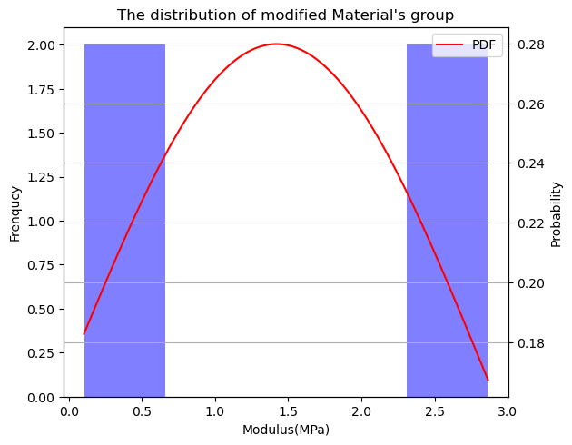
 |  |  |  |  |  | SD of modified/kPa | 1109.79
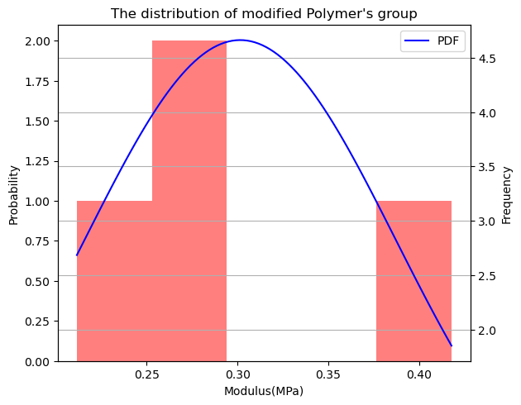
 |  |  |  |  |  | calculated t value | -2.19
 |  |  |  |  |  | DOF | 68.00
 |  |  |  |  |  | critical t value at α=2.5% | 1.995

 | Unit(MPa) |  |  |  |  | Unit(MPa)
 | Mean 1.42 |  |  |  |  | Mean 0.3
 | median 1.36 |  |  |  |  | median 0.29
 | variance 1.52 |  |  |  |  | variance 0.01
 | Standard deviation 1.23 |  |  |  |  | Standard deviation 0.07
 | Standard error 0.71 |  |  |  |  | Standard error 0.04

